Oil vs Gas Calculator
Number of gallons of oil used in the last 12 months | 0 | Step One: Enter the actual number of gallons of oil you used to heat your home in the last 12 months
Price per gallon of oil | $- | Step Two: Enter the price per gallon that you paid
Yearly heating oil cost | $- |  | or, to see the average oil price, go to:
 |  |  | http://www.massenergy.org/heating-oil/prices
Per gallon equivalent of natural gas to heating oil (x1.385 factor) | 0
Price of therm of natural gas | $- | Step Three: Enter the price of therm of natural gas
Estimated yearly natural gas cost | $- |  | or refer to the table below (Residential Heating) and use
Estimated yearly savings using natural gas | $- |  | $1.30 as the average cost per therm
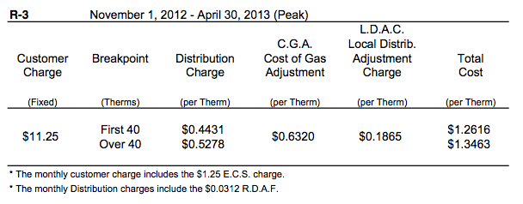

 | This is the amount
 | you might save yearly
 | if you switch
 | from oil to gas!

